CPUC IRP for BAU
We designate demand response to be the peak load shifting variety which may contribute to system flexibility.
The BAU Scenario does not envision the availability of such demand response - shift resources being added.
This is evident in the exceprt below from the CPUC's long run planning work, which shows all resources added
to provide flexiblity (to provide resource adequacy, in the CPUC terminology).

Amount of demand response shift added through 2030 implied: | 0

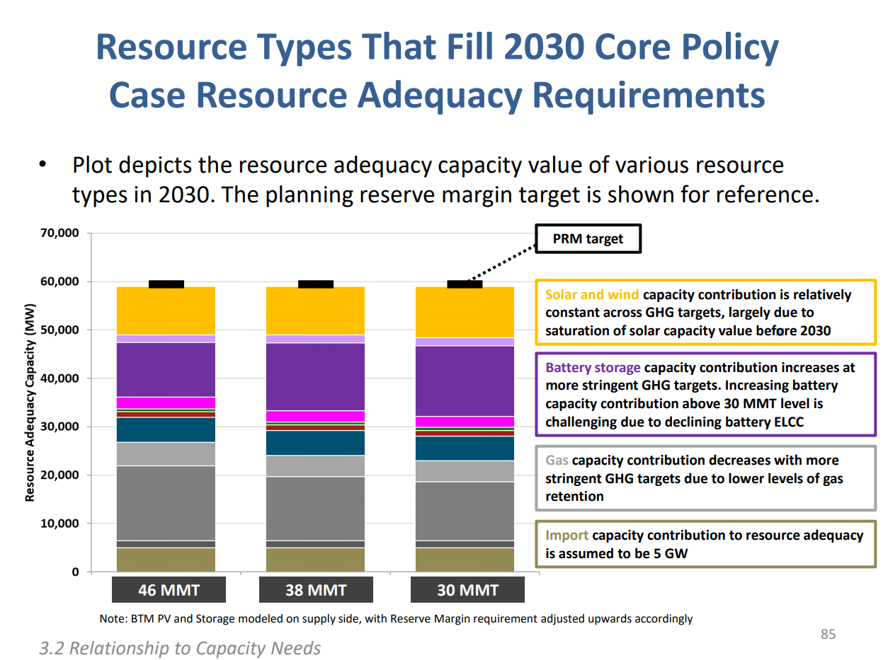

From slide 85 of this presentation.
 |  | Resolve value |  | 1752
 |  | SERVM value |  | 1754
 |  |  | avg | 1753

Potential calculations
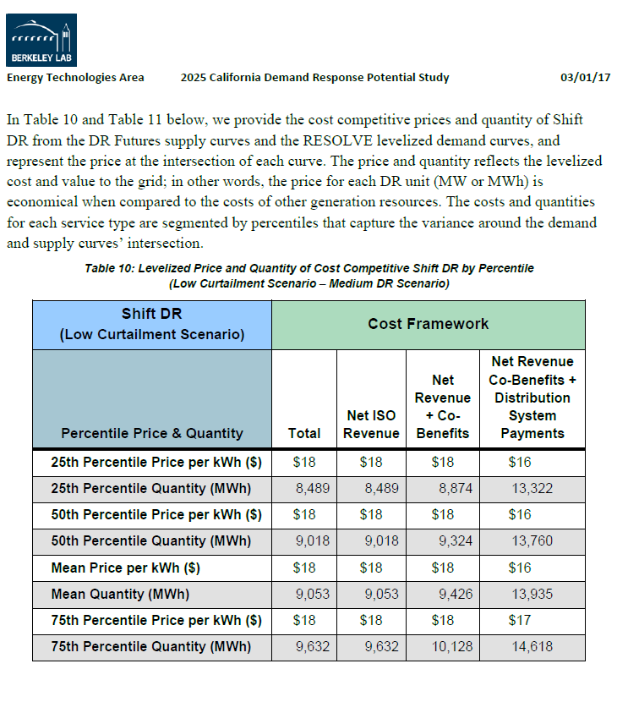
 | 2017 | 2018 | 2019 | 2020 | 2021 | 2022 | 2023 | 2024 | 2025 | 2026 | 2027 | 2028 | 2029 | 2030
Time series calculated | 0 | 0 | 0 | 0.5 | 0.83529125464 | 1.3951824469 | 2.3303656649 | 3.8923971159 | 6.5014497663 | 6.5014497663 | 6.5014497663 | 6.5014497663 | 6.5014497663 | 6.5014497663
In MW |  |  |  | 500 | 835.29125464 | 1395.1824469 | 2330.3656649 | 3892.3971159 | 6501.4497663 | 6501.4497663 | 6501.4497663 | 6501.4497663 | 6501.4497663 | 6501.4497663

Approach:

Additional potential is specified based on Figure 41 of the LBNL report (shown below).
More specifically, the supply of DR available is set based on the cost competitive shift DR in thethe Low Curtailment Scenario – BAU DR Scenario.
Table 10 (also shown below) gives details of the "Medium DR" analog to the one we use to set inputs for the EPs.
Extracting the results from the projects proved time intensive. 2020 and 2025 values are estimated by visual inspection of Figure 41.
Estimated values shown below.
 | 2020 | 2025
BAU, low curtailment quantity available | 0.5 | 6.5

Then, interim values are estimated. Assume backloaded emergence, model as an exponential function.

Inputs used for calculated values in between 2020 and 2025

 | 2020 | 2021 | 2022 | 2023 | 2024 | 2025
 | 1 | 2 | 3 | 4 | 5 | 6
.513*x | 0.513 | 1.026 | 1.539 | 2.052 | 2.565 | 3.078
 | 1.6702945698 | 2.78988395 | 4.6599280122 | 7.7834524547 | 13.00065837 | 21.714929079

result | 0.50008619421 | 0.83529125464 | 1.3951824469 | 2.3303656649 | 3.8923971159 | 6.5014497663

2020 | 2025
1 | 6
0.5 | 6.5

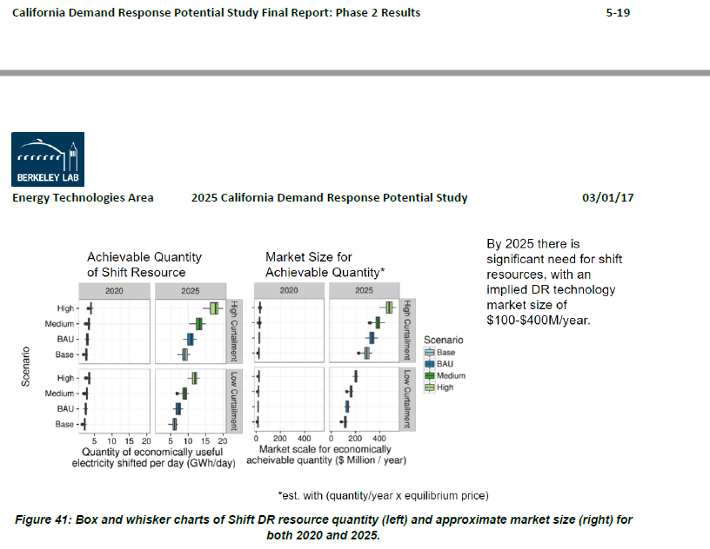

For background, we show results for the Low Curtailment Scenario – Medium (not BAU) DR Scenario below.

